Table 1
 LAS VIRGENES UNIFIED SCHOOL DISTRICT 4111 LAS VIRGENES ROAD CALABASAS, CALIFORNIA 91302 Telephone: (818) 880-4000 Fax: (818) 880-4200 www.lvusd.org | BOARD OF EDUCATION ANGELA CUTBILL JILL GAINES DALLAS LAWRENCE LINDA MENGES LESLI STEIN DANIEL STEPENOSKY, Ed.D. SUPERINTENDENT
November 28, 2023 Via Electronic Mail Darion Phan UCLA Re: October 30, 2023 Public Records Act Request Dear Darion Phan: This correspondence follows up on the Las Virgenes Unified School District's ("District") prior correspondence in response to your October 30, 2023 request for public records from the Las Virgenes Unified School District ("District") under the California Public Records Act ("PRA"; Gov't Code§ 7920.000 et seq.). The PRA requires a public agency to provide non-privileged, non-exempt documents in response to a request that reasonably identifies a public record or records within its possession. The PRA does not require public agencies to make those requested documents available within a certain time frame; rather, Government Code section 7922.535(a) requires that, within ten (10) days from receipt of the request, the agency must make an initial determination of whether it has non­ privileged, non-exempt documents in its possession responsive to the request and offer a reasonable time frame in which it will produce the records. Please note that the Government Code exempts certain categories of records, and some of those exemptions may apply directly to your request, including, but not limited to: 1) Preliminary drafts, notes, or interagency or intra-agency memoranda that are not retained by the public agency in the ordinary course of business. (Gov. Code§ 7927.500.) 2) Personnel, medical, or similar files, the disclosure of which would constitute an unwarranted invasion of personal privacy. (Gov. Code § 7927.700.) 3) Personal information of employees of a public agency, including home addresses, home telephone numbers, personal cell phone numbers, and birth dates. (Gov. Code§ 7928.300.) 4) Records, the disclosure of which is exempted or prohibited pursuant to federal or state law, including, but not limited to, provisions of the Evidence Code

Table 2
including the attorney-client privilege, and identifiable student information in violation of the federal Family Educational Rights and Privacy Act ("FERPA") and corresponding California state law. (Gov. Code,§ 7927.705; Gov. Code,§ 54963; Evid., Code§§ 954 and 1040(b)(2), 20 U.S.C. § 1232g; and Educ., Code§ 49076.) 5) Records, the content of which are exempt or prohibited to the extent that the public interest served by not disclosing the documents outweighs the public interest by disclosing the documents. (Gov. Code § 7922.000.) Also, please note that the District is not required to create, compile, or summarize any records in order to respond to a PRA request. The District is only required to provide existing records that are currently in its possession, custody, or control that are not exempt from disclosure pursuant to the PRA. In light of the above, the District interpreted and responds to your Requests as follows: Request: 1. Bid tabulation data for food purchases from 2018 to 2023. Response: 1. Enclosed, please records responsive to your request. Please note, although not required by the CPRA, the District informs you that many of the child nutrition purchases are achieved through the piggyback bid process with other local school districts. As such the bid results enclosed only reflect the bids administered directly by the District.

o
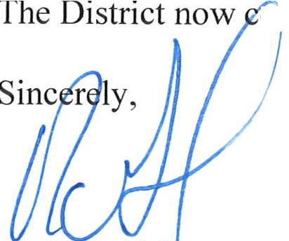 siders its response to your request complete. Dr. Ryan GI ason Assistant Superintendent, Chief Business Officer

